Table 17
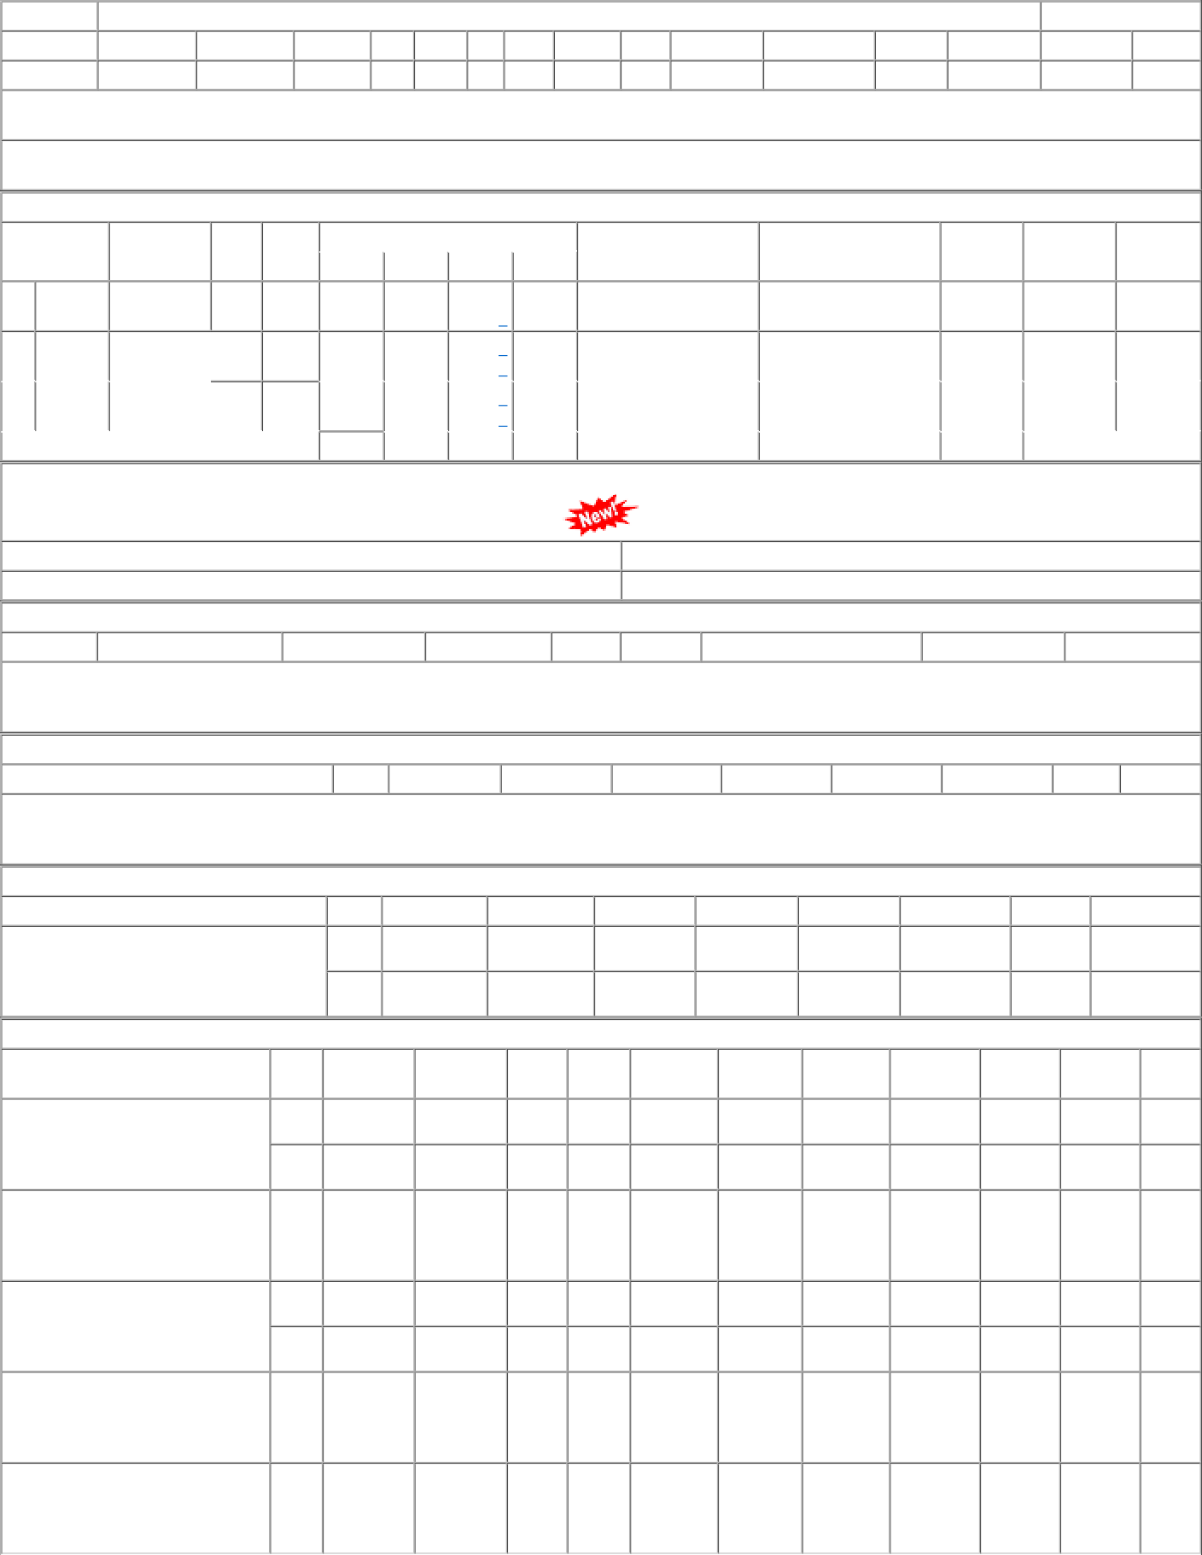
P.O.No./Vendor Name P.O.No.06222277105693 dt.11/11/22 on M/s.KAVERI INDUSTRIES-NEW DELHI PO- CAT:[ Reg ] P.O.No.52221463101452 dt.14/10/22 on M/s.MALIKA INTERNATIONAL-NOIDA PO- CAT:[ Dev ] P.O.No.06212277104232 dt.05/09/21 on M/s.KAVERI INDUSTRIES-NEW DELHI PO- CAT:[ Reg ] P.O.No.52211312100850 dt.16/08/21 on M/s.KAVERI INDUSTRIES-NEW DELHI PO- CAT:[ Reg ] P.O.No.52211199800579 dt.25/05/21 on M/s.PCMM Office, Central Railway, Mumbai - 400001 PO-CAT:[ Reg ] | Sr 001 002 001 001 002 001 001 | Depot PL-CR PL-CR PL-CR PL-CR BVPW PL-CR PL-CR | AI Rate 913.32 913.32 823.36 702.58 702.58 735.84 897.28 | PO Qty 555 555 500 915 165 380 100 | Unit Nos. Nos. Nos. Nos. Nos. Nos. Nos. | Canc Qty 0 0 0 0 165 0 100 | Rej. Qty 0 0 0 0 0 0 0 | Recd Qty 0 0 500 915 0 380 0 | Org.DP 11/01/23 29/04/23 17/12/22 04/11/21 04/11/21 15/09/21 25/07/21 | Start DP Ext.DP PO Status 12/11/22 11/01/23 OP 01/04/23 29/04/23 OP 17/12/22 OP 23/06/22 OP 29/03/22 OX 15/09/21 OP 26/05/21 25/07/21 OX

